1. Title Page
Instacart Basket Analysis

Project Name: Instacart Basket Analysis
Date: December 13, 2023
Analyst Name: Jake Upchurch

Contents: | Tabs:
Population Flow | 2
Consistency checks | 3
Wrangling steps | 4
Column derivations | 5
Visualizations | 6
Recommendations | 7

Data Sources: |  | Links:
“The Instacart Online Grocery Shopping Dataset 2017”, Accessed from www.instacart.com/datasets/grocery-shopping-2017 |  | www.instacart.com/datasets/grocery-shopping-2017
via Kaggle on 10/17/2023
"List of Regions of United States" |  | https://simple.wikipedia.org/wiki/List_of_regions_of_the_United_States

2. Population Flow
 |  |  | Title page

Population flow

Exclusion flag
Observations to be Removed:
The column eval_set was removed from all data
due to it being unnecessary for data analysis. All
_merge columns other than last data set were removed due to multiple merges being necessary for data analysis.
Final Count for Orders_Products_all:
Rows: 30,992,664
Columns: 33

Orders_products_combined
Orders_products_merged
Orders_products_active

Total:
Total:
Total:
32,434,489 | 32,404,859 | 30,992,664

hegrey boxes in the first row of the population flow represent the original data sets as they were when you downloaded them. In the Total fields you need to add the count of the rows when you imported the data set into Jupyter.
2.) The second row of boxes (coloured) represents the data sets after you manipulated them, e.g., removed missing values and duplicates. In the Total fields you need to add the count of the rows after conducting these operations. This offers a visual oveview of how the data flows throughout the data consistency checks.
3.) The third row, where also the arrows are coloured, represents the merges you performed between the datasets. In the Total fields you need to add the count of the rows in the merged datasets, so that you end up with the final dataset (in the red box). Keep in mind the final dataset should be without exclusions (based on the exclusion flag).

3. Consistency checks
 |  |  |  | Title page
Consistency checks

Dataset | Missing values | Missing values treatment | Duplicates
Orders | 206,209 | The missing values were from the days_since_prior_order column. Since these were new customers, there was no value for days since prior order and were marked with NaN. | 0
Products | 16 | Rows were removed | 5
orders_products_prior | 0 | No missing values, no treatment necessary. | 0
Customers | 11,259 | Missing values were in the First_name column. This column was dropped along with the Last_name column for privacy concerns. | 0
orders_products_active | 5,127 | When researching prices, some prices were incorrect(too high) and were replaced with NaN in order to prevent faulty statistics. | 0

4. Wrangling steps
 |  |  |  | Title page
Wrangling steps

Columns dropped | Columns renamed | Columns' type changed | Comment/Reason
eval_set was dropped from Orders DataSet |  |  | Column was irrelevant.
first_name was dropped from Customers DataSet |  |  | Privacy Concerns
last_name was dropped from Customers DataSet |  |  | Privacy Concerns
 | days_since_prior_order in Orders DataSet was renamed to days_since_last_order for clarity. |  | Clarity
 |  | order_id was changed from INT to String Type in Orders DataSet | Changed for analysis reasons and to keep column from being included in statistical analysis.
 |  | user_id was changed from INT to String Type in Customers DataSet | Changed for analysis reasons and to keep column from being included in statistical analysis.

5. Column derivations
 |  |  |  | Title page

Column derivations and aggregations

Dataset | New column | Column/s it was derived from | Conditions
Orders | No updates. | N/A | N/A
Products | No updates. | N/A | N/A
Orders_products_prior | No updates. | N/A | N/A
Customers | No updates. | N/A | N/A
Orders_products_combined | No updates. | N/A | N/A
Orders_products_merged | price_label | prices | Created using user-def syntax Low-Range Products value < 5 Mid-Range product value > 5 to <=15 High Range product value > 15
 | busiest_day | orders_day_of_week | Created using is loop syntax busiest day ==0 least busy day ==4 regulalrly busy day all else
 | busiest_days | orders_day_of_week | Created using is loop syntax busiest day <=1 least busy day ==4 & ==3 regulalrly busy day all else
 | busiest_period_of_day | order_hour_of_day | Created using loop syntax least orders <= 9 average orders >= 17 most orders all else
 | max_order | Grouped by 'user_id'. Aggregated column 'clients_order_number' | Column was created to add up a client's total number of orders and was used in various exclusionary flags.
 | loyalty_flag | Grouped by 'user_id'. Aggregated column 'clients_order_number' | Aggrigated data (using the max_order column) to find the max value of user's order's. Flag was created seperating users by: Loyal customer > over 40 orders <=40 to >10 regular Customers < 10 New customers
 | spending_flag | Grouped by 'user_id'. Aggregated column 'prices' | Aggrigated data to find the mean value of user's average spent between orders. Flag was created seperating users by: High spender >= over $10 on average Low Spender < Under $10 spent on average
 | FRQ_prior_order_flag | Grouped by 'user_id'. Aggregated column 'days_since_prior_order'. | Aggrigated data to find the median value of user's frequency of days between orders. Flag was created seperating users by: Frequent customer <= less than 10 days regular Customer <=20 to > 10 days between orders Non-frequent customers > more than 20 days between orders
Orders_products_active | regional_flag | state | Using the .loc function, state_usa was divided by region (citation provided for article used to separate regions on Tab1). Four .loc functions were created dividing regions into ‘Northeast’, ‘West’, Midwest’, and ‘South’ and placed under the flag ‘'regional_flag'’.
 | Customer_activity | max_order | Separated customers into Active > 5 orders Low_activity < 5 orders This flag was used to created the orders_products_active.pkl file requested by senior leadership
 | age_group | Age | Clients were grouped by age using the .loc function. No specifics were provided on how to categorize age groups, so the customer base was divided into intervals of 10. This provided the most even distribution of ages amongst the Instacart customer base based on descriptive statistics. 18_27: >= 18 & <28 , 28 _37: >= 28 & <38 , 38_47: >= 38 & <48, 48 _57 : >= 48 & <58 , 58_67: >= 58 & <68, 68_over: >= 68
 | income_group | income | Clients were grouped by income by the following categories using the .loc function – Lowest_income: <= 67292, Avg_income: >67292 & <128102, Highest_income: >128102 Income levels were determined by running .describe function on the ‘income’ column and using the quartiles to divide clients into the 25th percentage of lowest earners ‘Lowest_income’ and 75th percentage of highest earners ‘Highest_income’. All those in the middle are considered ‘Avg_income’.
 | family_status | Created from columns fam_status and n_dependants | Flag was created to combine marital status and number of dependants using the .loc function: >['fam_status'] = 'married' & ['n_dependants'] = 0 = 'Married_no_kids' >['fam_status'] ='married' & ['n_dependants'] >= 1 = 'Married_kids' >['fam_status'] = 'single' & ['n_dependants'] >= 1 = 'Single_kids' >['fam_status'] = 'single' & ['n_dependants'] = 0 = 'Single_no_kids' >['fam_status'] = 'divorced/widowed' & ['n_dependants'] = 0 = 'Divorced/widowed_no_kids' [>'fam_status'] = 'divorced/widowed' & ['n_dependants'] >= 1= 'Divorced/widowed_kids' >['fam_status'] = 'living with parents and siblings' & ['n_dependants'] = 0 = 'Living with family_no_kids' >['fam_status'] = 'living with parents and siblings' & ['n_dependants'] >= 1 = 'Living with family_kids'

6. Visualizations
 |  | Title page

Visualisations



Figure 1: This figure shows which day of the week is the busiest.
Day 0 represents Saturday and the rest of the week counts up from there (Sunday=1, etc.).
This figure helps answer Key Question 1 about which days of the week are the
busiest for orders on Instacart.


Figure 2: This figure shows the time of day when Instacart gets the most orders.
The order hours of the day are on the x-axis and the number of orders is on the y-axis.
This figure will also help answer Key Question 1 about which hours of the day are the
busiest for Instacart.

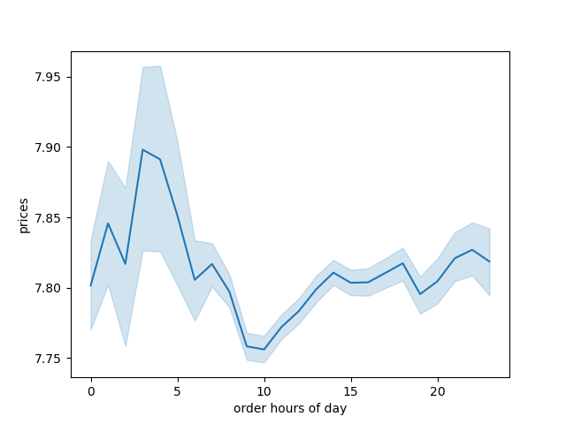

Figure 3: This figure shows the order hours of the day and dollar amount of orders
during the hours. The hours of the day are along the x-axis and the dollar amount is
on the y-axis. This figure will help answer Key Question 2 about when customers are
spending the most money during the day.


Figure 4: This figure shows the frequency of prices for items purchased. The price is
along the x-axis and the number of times that price occurs (frequency) is on the y-axis.
This figure will help answer Key Question 3 about how Instacart can simplify
it's pricing strategy.

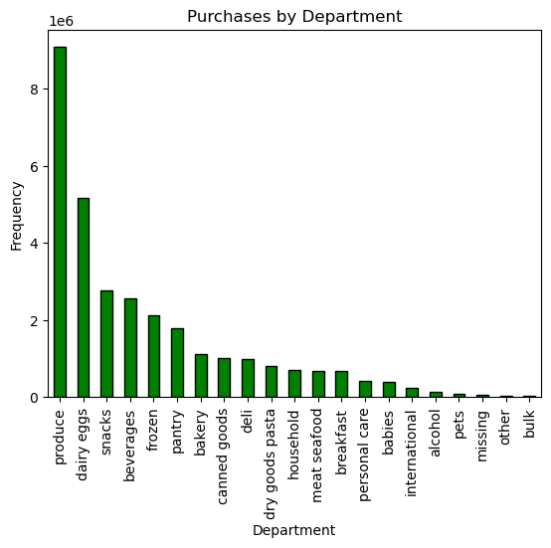
Figure 5: This figure shows which departments are purchased from the most. The
departments are along the x-axis and the frequency of orders is on the y-axis. This
figure will help answer Key Question 4 about which departments are most popular
on Instacart.

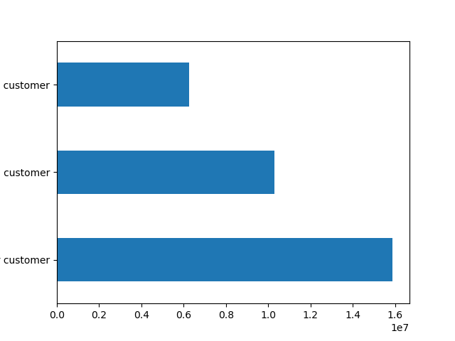

Figure 6: This figure shows the order frequency of customers based on their
loyalty. Regular customers are bottom bar, loyal customers are the middle bar,
and new customers are the top bar. The x-axis represents the frequency of orders
for each type of customer. This figure will help answer Key Question 5 about purchasing
habits of customers based on their loyalty status.

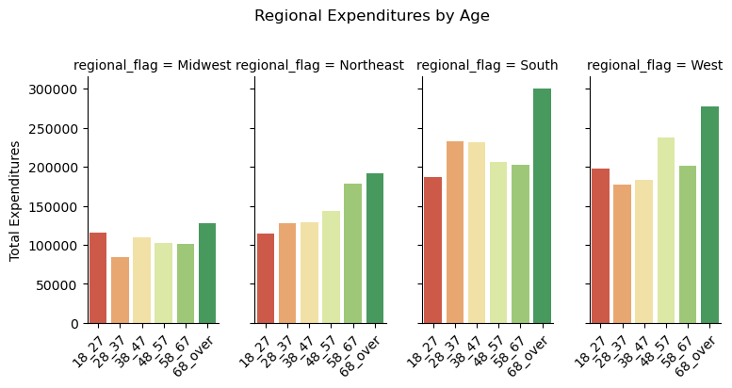
 | Figure 7: This figure shows total expenditures of Instacart Shoppers broken down
 | by age group and regional area. This will help answer Key Question 5
 | about regional spending habits and Key Question 7 about regional spending
 | habits.


 | Figure 8: This figure shows the age of Instacart Customers and the number
 | of dependants they have. The x-axis represents the age of the customer and
 | the y-axis represents number of dependants. This figure helps answer Key Question 6 about customer profiles
 | and creating marketing strategies on those profiles.

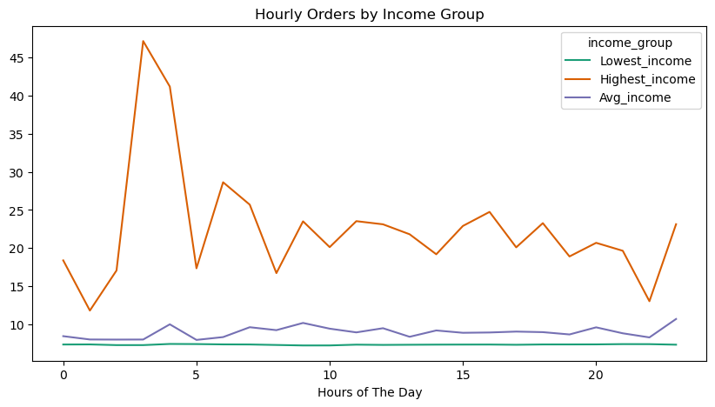
 | Figure 9: This figure shows the order hours of the day, the amount of the orders, and
 | breaks down the information by income group. This will help answer Key Question 6
 | and creating marketing strategies for Instacart.

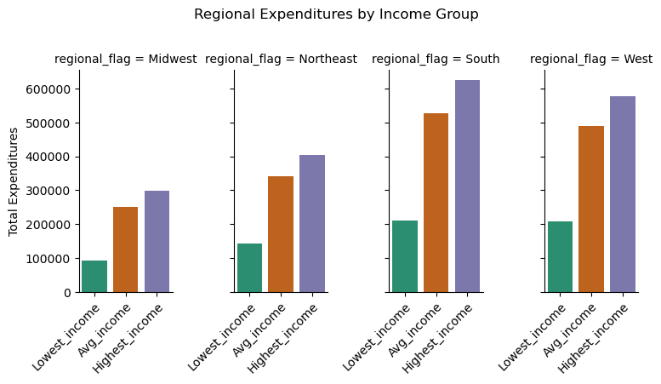
 | Figure 10: This figure shows total expenditures by income profile and is broken
 | down by region. This figure will help answer Key Question 6 and determining marketing
 | strategies for income profiles and Key Question 7 about regional sales.

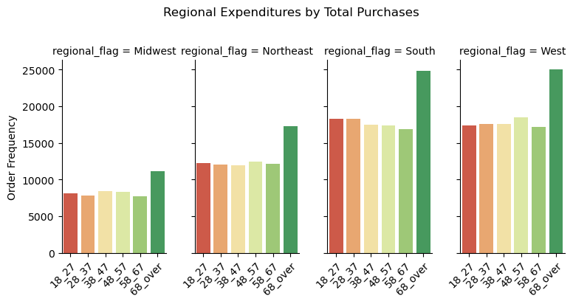
 | Figure 11: This figure shows total expenditures by region and age group. This figure
 | will help answer Key Question 7 about regional sales and the different profiles
 | of customers in that region.

7. Recommendations
 |  | Title page

Recommendations

Question | Answer
1.) The sales team needs to know what the busiest days of the week and hours of the day are (i.e., the days and times with the most orders) in order to schedule ads at times when there are fewer orders. | The busiest days of the week for orders are Saturday and Sunday. The slowest days of the week for orders are Monday and Tuesday according to Figure 1 in the Visualizations Tab. The peak hours for orders during the day are 10 AM to 4 PM according to Figure 2. The slowest times of the day are Midnight to 5 AM and again after 10 PM. I would schedule ads to increase orders on Monday and Tuesday and especially during the slow hours in order to increase ordering during those days and times.
2.) What are the times of day when customers spend the most money? This information will be used for products advertistments. | In Figure 3 on the Visualizations Tab, you can see that customers spend the most money during the early morning hours. This peaks right around 4 AM, which is ironic, considering it is usally the slowest time for number of orders.
3.) Instacart has a lot of products with different price tags. Marketing and sales want to use simpler price range groupings to help direct their efforts. | Prices for Instacart are heavily skewed to the price range under $15. Figure 4 shows the a heavy majority of products are below this dollar amount. I would simplify the pricing by making sure almost all products are under this price and dividing the products into price ranges to help customers (for example: under $5, $5-10, and $11-15).
4.) Are there certain types of products that are more popular than others? The marketing and sales teams want to know which departments have the highest frequency of product orders. | Produce is by far the most popular department for Instacart. Figure 5 shows the frequency of orders for each department. I would lean very heavily into this for marketing. It is obvious most people want produce and advertising to those people would be very benficial for Instacart.
5.)What’s the distribution among users in regards to their brand loyalty (i.e., how often do they return to Instacart)? Are there differences in ordering habits based on a customer’s loyalty status? Are there differences in ordering habits based on a customer’s region? | Figure 6 shows average orders for a customer depending on their loyalty status. Regular customers order the most (even more than loyal customers). The key for Instacart is figuring out how to turn these regular customers into more loyal customers. Loyalty rewards is a great way to do this and Instacart could increase business by focusing on regular customers. The south and the west regions of the US do more ordering than other regions so I would focus on those two regions first and take what works to the other, less popular, regions.
6.)The marketing and business strategy units at Instacart want to create more-relevant marketing strategies for different products and are, thus, curious about customer profiling in their database. User Profile Information - An analysis of consumer income, age groups, and family status. | Figures 8 and 9 on the Visualizations Tab apply to this question and provide some great insight. First, it appears that most people who order from instacart, no matter the age, have dependants. Marketing should focus on families and people with dependants. Older age groups are also spending more money and probably rely on Instacart more so focusing Marketing on them will likely be very beneficial. Higher Income Profiles also order more and spend more money. These 3 profiles are very important to Instacart and business strategy should revolve around them.
7.) Regional Area and Department Profile- An analysis across user profiles in various U.S. regions and department good for both purchasing frequency and avg purchasing metrics. | The Southern and Western regions of the United States spend the most and order the most frequent according to every metric in this study (Figures 10 and 11). Instacart needs to do more analysis to find out why this is and how to increase business in the other regions of the United States. Older age groups also spend more and order more frequently than younger age groups. Instacart also needs to invest in more analysis to find out why this is true as well. While doing more analysis, I would advise to focus on these groups in order to maintain business and then adapt to any new information that becomes available from future analysis.

